Traffic Usage, network
all input filters selection shall be reflected in portal report output
note: note: there shall be one tab for "IN", and "OUT" and "AVG" network utilization
and based on filter selection of time in GUI: 1 D, 1 W, 1 M, 2 M, 6 M, 1 Y or calendar selection, the data will populate accordingly, and value in report output will have same value
Etisalat Logo | Report name
Customer : |  | ADNOC | Time Duration : | 1 month
Metric : |  | Utilization In (%)
 | 0.414024
 | 0.621828
 | 0.172715
 | 0.535988
 | 0.44399
 | 0.787204
 | 0.640689
 | 0.334499
 | 0.504415
 | 1.251551
 | 1.226731
 | 0.967494

Line Chart showing in portal will be shown here

2019-04-24 | 1 | 16:47:11

Top N Nodes
all input filters selection shall be reflected in portal report output as part of header
example
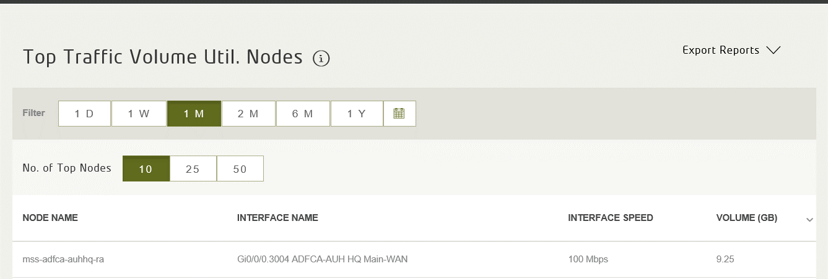

 | Etisalat Logo | Report name

 |  |  | Customer : | ADNOC
 |  |  | Time Period : | 1M
 |  |  | No. of Top Nodes: | 10

QOS Report
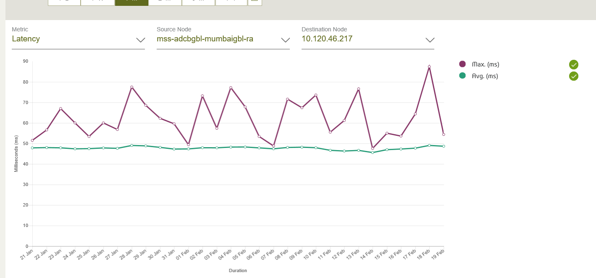
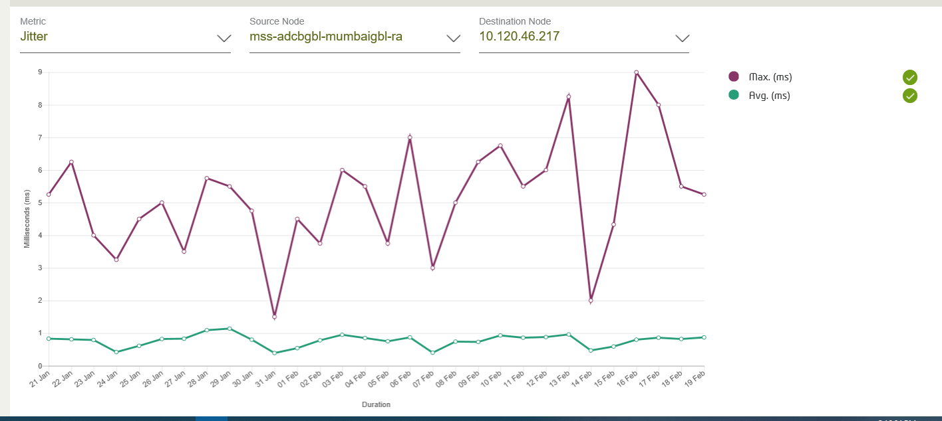
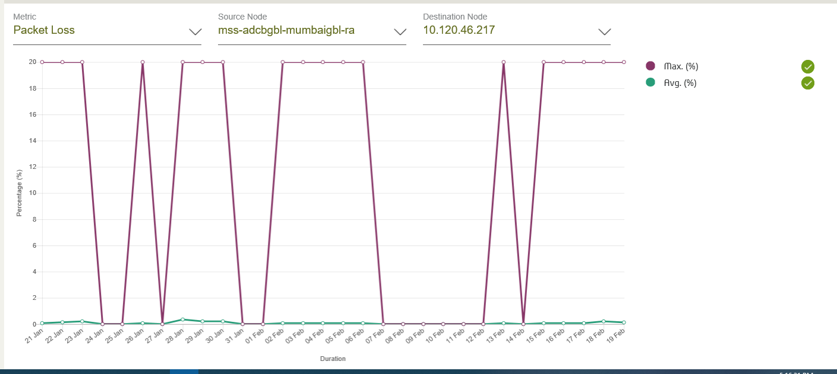
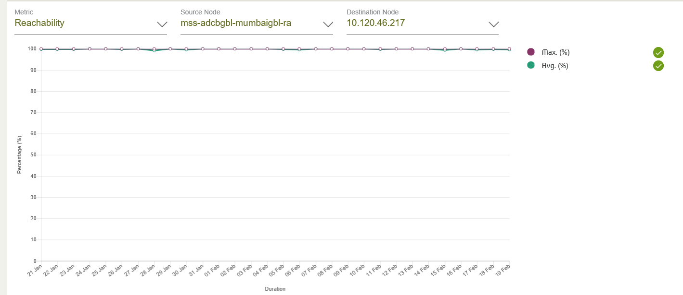
all input filters selection shall be reflected in portal report output
note: based on filter selection of metric in GUI: reachability, latecny, packetlos, jitter the data will populate accordingly, and metric value in report output will have same value
and based on filter selection of time in GUI: 1 D, 1 W, 1 M, 2 M, 6 M, 1 Y or calendar selection, the data will populate accordingly, and value in report output will have same value
and selection of source node and destination node shall show up in report output
etisalat logo | report name
Customer : | ADCBGBL | Source Node : | mss-adcbgbl-mumbaidrgbl-ra
Metric | Reachability | Destination Node : | mss-adcbgbl-doz-ra
Time Duration | Mar 1 - Apr 15

 |  |  |  | Line Chart

Top N Extension
all input filters selection shall be reflected in portal report output as part of header
example

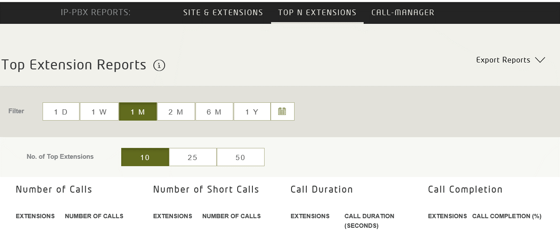

 | Etisalat Logo | Report name

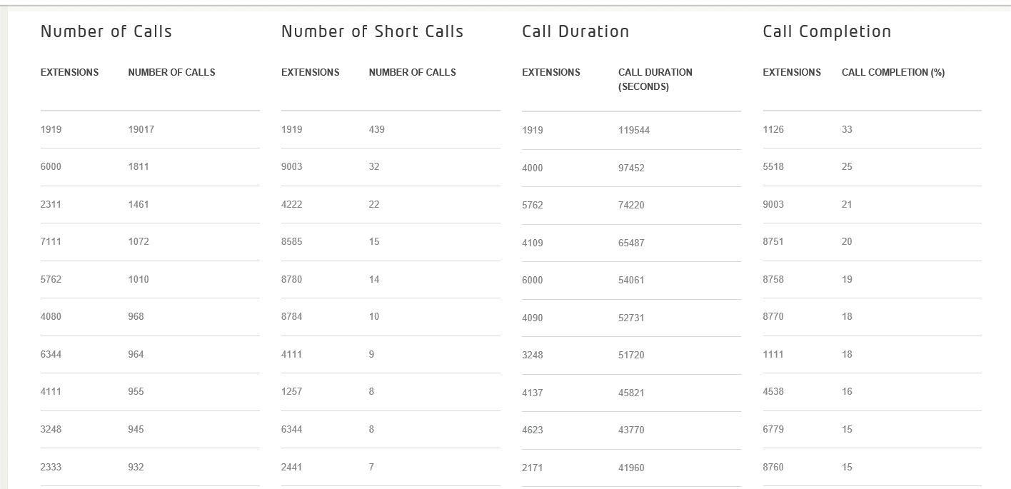
 |  |  | Customer : | ADNOC
 |  |  | Time Period : | 1M
 |  |  | No. of Top Extensions | 10

Resource Usage
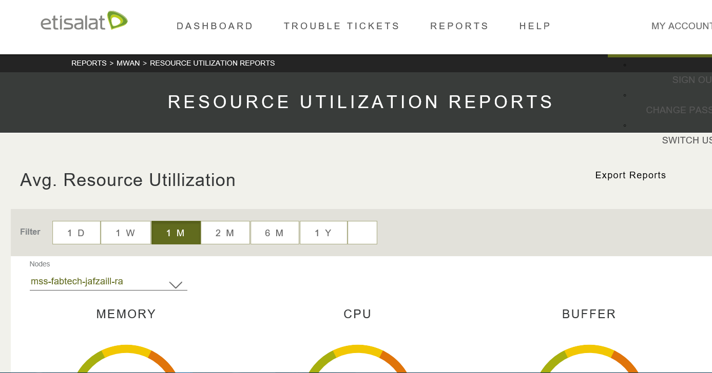
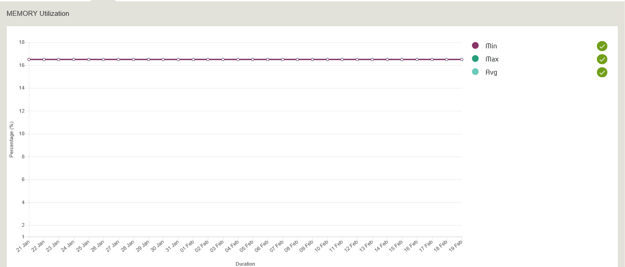
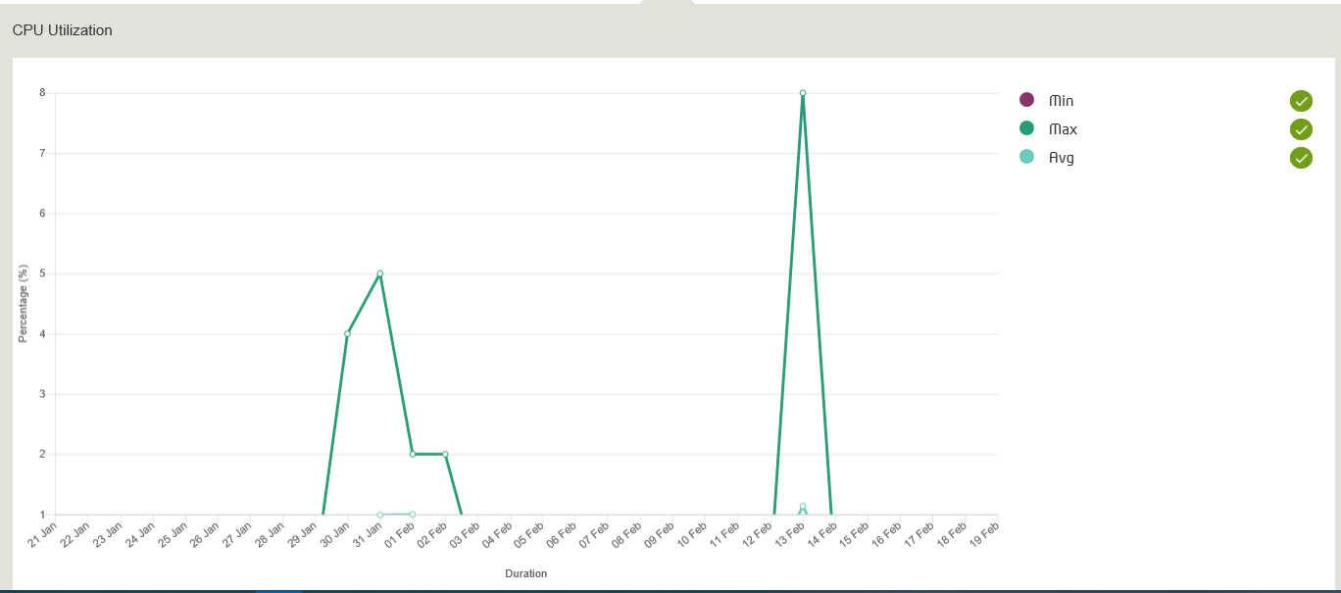
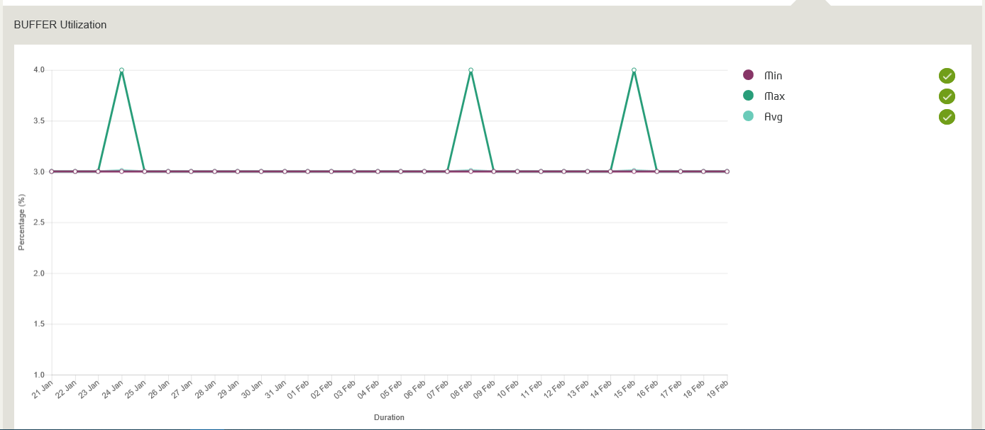
The output pdf extract shall have: -Etisalat logo -Report Name -Node -Network -Customer | The report shall be extracted over excel | LINE CHARTS

